Team-PLAYER
 |  | PARKER TEAM PLAYER SURVEY | CONTRIBUTOR | COLLABORATOR | COMMUNICATOR | CHALLENGER
18 |  | Glenn Parker, "Team Players and Teamwork," Jossey-Bass, San Francisco, 2008 |  |  |  |  | #VALUE! | EMAIL INFORMATION
 |  | DIRECTIONS: First, there are no right or wrong answers. Answer each item according to how you honestly feel you function now as a team member rather than how you used to be or how you would like to be. Complete each of the following eighteen sentences. Each sentence has four possible endings. Rank the endings in the order in which you feel each one applies to you. · Place the number 4 next to the ending that is MOST applicable to you, and · continue down to a 1 next to the ending that is LEAST applicable to you. Do not make ties or use 4, 3, 2, or 1 more than once. Make sure 4, 3, 2, and 1 are used at least once. NC in Column A indicates that the Question Responses are not completed properly. |  |  |  |  |  | TO:
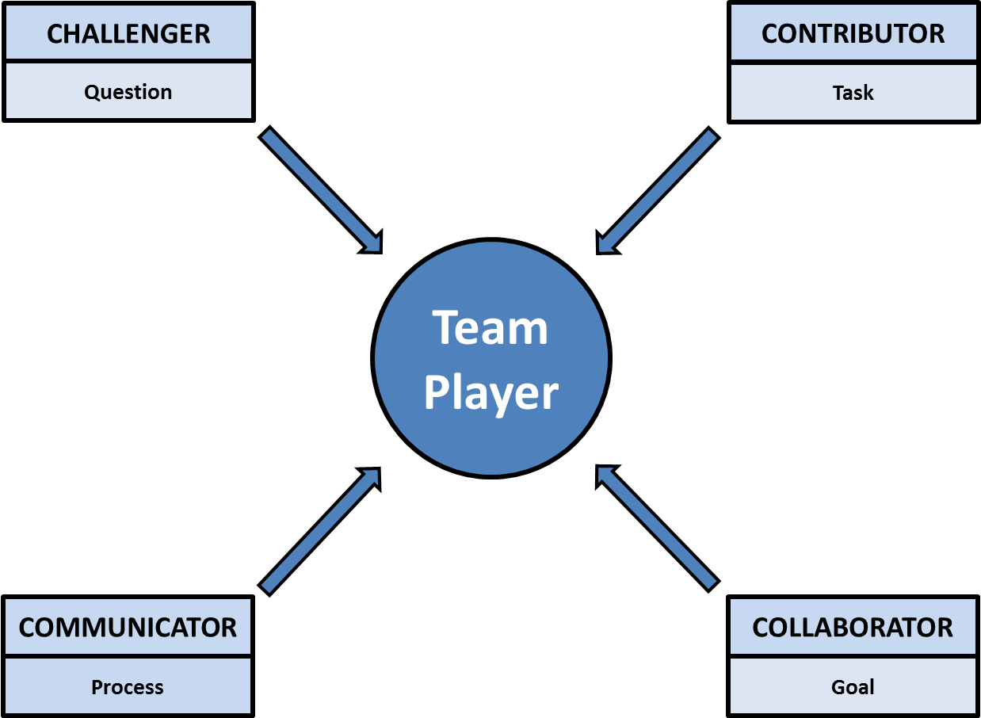
 |  |  |  |  |  |  |  | FROM:
Response Check | Response Rank |  |  |  |  |  |  | SUBJECT:

1 | 1. | During team meetings, I usually | SUMMARY
NC |  | a. provide the team with technical data or information.
NC |  | b. keep the team focused on our mission or goals.
NC |  | c. make sure everyone is involved in the discussion.
NC |  | d. raise questions about our goals or methods.

1 | 2. | In relating to the team leader, I | ASSOCIATED BEHAVIORS
NC |  | a. suggest that our work be goal directed.
NC |  | b. try to help him or her build a positive team climate.
NC |  | c. am willing to disagree with him or her when necessary.
NC |  | d. offer advice based on my area of expertise.

1 | 3. | Under stress, I sometimes
NC |  | a. overuse humor and other tension-reducing devices.
NC |  | b. am too direct in communication with other team members.
NC |  | c. lose patience with the need to get everyone involved in discussions.
NC |  | d. complain to outsiders about problems facing the team. | ASSOCIATED POSITIVE ADJECTIVES

1 | 4. | When conflicts arise on the team, I usually
NC |  | a. press for an honest discussion of the differences. | FACTORS THAT CAUSE STYLE TO BE INEFFECTIVE
NC |  | b. provide reasons why one side or the other is correct.
NC |  | c. see the differences as a basis for a possible change in team direction.
NC |  | d. try to break the tension with a supportive or humorous remark.

1 | 5. | Other team members usually see me as
NC |  | a. factual. | ASSOCIATED INEFFECTIVE ADJECTIVES
NC |  | b. flexible.
NC |  | c. encouraging.
NC |  | d. candid.
 |  |  | HOW LEADERSHIP FUNCTIONS ARE CARRIED OUT
1 | 6. | At times, I am | Planning | Communication | Risk Taking | Problem Solving | Decision Making
NC |  | a. too results oriented.
NC |  | b. too laid-back.
NC |  | c. self-righteous.
NC |  | d. shortsighted.

1 | 7. | When things go wrong on the team, I usually
NC |  | a. push for increased emphasis on listening, feedback, and participation. | RELATIONSHIP BETWEEN STYLE AND TUCKMAN TEAM DEVELOPMENT STAGES
NC |  | b. press for candid discussion of our problems. | (Tuckman, B.W. , "Developmental Sequence in Small Groups," Psychological Bulletin, 1965, 63(6), pp. 384-399)
NC |  | c. work hard to provide more and better information. | POSITIVE ACTIONS
NC |  | d. suggest that we revisit our basic mission. | Forming | Storming | Norming | Performing

1 | 8. | A risky team contribution for me is to
NC |  | a. question some aspect of the team's work.
NC |  | b. push the team to set higher performance standards.
NC |  | c. work outside my defined role or job area.
NC |  | d. provide other team members with feedback on their behavior as team members.
 |  |  | CONCERNS
1 | 9. | Sometimes other team members see me as | Forming | Storming | Norming | Performing
NC |  | a. a perfectionist.
NC |  | b. unwilling to reassess the team's mission or goals.
NC |  | c. not serious about getting the real job done.
NC |  | d. a nitpicker.

1 | 10. | I believe team problem solving requires
NC |  | a. cooperation by all team members.
NC |  | b. high-level listening skills.
NC |  | c. a willingness to ask tough questions.
NC |  | d. good solid data.

1 | 11. | When a new team is forming, I usually
NC |  | a. try to meet and get to now other team members.
NC |  | b. ask pointed questions about our goals and methods.
NC |  | c. want to know what is expected of me.
NC |  | d. seek clarity about our basic mission.

1 | 12. | At times, I make other people feel
NC |  | a. dishonest because they are not able to be as confrontational as I am.
NC |  | b. guilty because they don't live up to my standards.
NC |  | c. small-minded because they don't think long-range.
NC |  | d. heartless because they don't care about how people relate to each other.

1 | 13. | I believe the role of the team leader is to
NC |  | a. ensure the efficient solutions to problems.
NC |  | b. help the team establish long-range goals and short-term objectives.
NC |  | c. create a participatory decision-making climate
NC |  | d. bring out diverse ideas and challenge assumptions.

1 | 14. | I believe team decisions should be based on
NC |  | a. the team's mission and goals.
NC |  | b. a consensus of team members.
NC |  | c. an open and candid assessment of the issues.
NC |  | d. the weight of the evidence.

1 | 15. | Sometimes I
NC |  | a. see team climate as an end in itself.
NC |  | b. play devil's advocate far too long.
NC |  | c. fail to see the importance of effective team process.
NC |  | d. overemphasize strategic issues and minimize short-term task accomplishments.

1 | 16. | People have often described me as
NC |  | a. independent.
NC |  | b. dependable.
NC |  | c. imaginative.
NC |  | d. participative.

1 | 17. | Most of the time, I am
NC |  | a. responsible and hardworking.
NC |  | b. committed and flexible.
NC |  | c. enthusiastic and humorous.
NC |  | d. honest and authentic

1 | 18. | In relating to other team members, at times I get annoyed because they don't
NC |  | a. revisit team goals to check progress.
NC |  | b. see the importance of working well together.
NC |  | c. object to team actions with which they disagree.
NC |  | d. complete their team assignments on time.

Figures
Team
Player
COLLABORATOR
Goal
CONTRIBUTOR
Task
CHALLENGER
Question
COMMUNICATOR
Process

